Upcoming
To-Do | Updates | Upcoming | Constraints
Address debugging - loop => crosscheck lat/long | Tooltip | Add in other initial constraints | - Truck number and capacity
BeautifyIcon | Address debugging | Store time windows in Excel/sheets/csv | - Driver number and capacity
 |  | Send questions to BOTM | - Store pickup time windows
All 5 days - spitting out data metrics |  | Literature: VRP w/ time windows | - Traffic, loading time
vehicle number |  | Handling not found addresses | - Store pickup frequency
time
distance
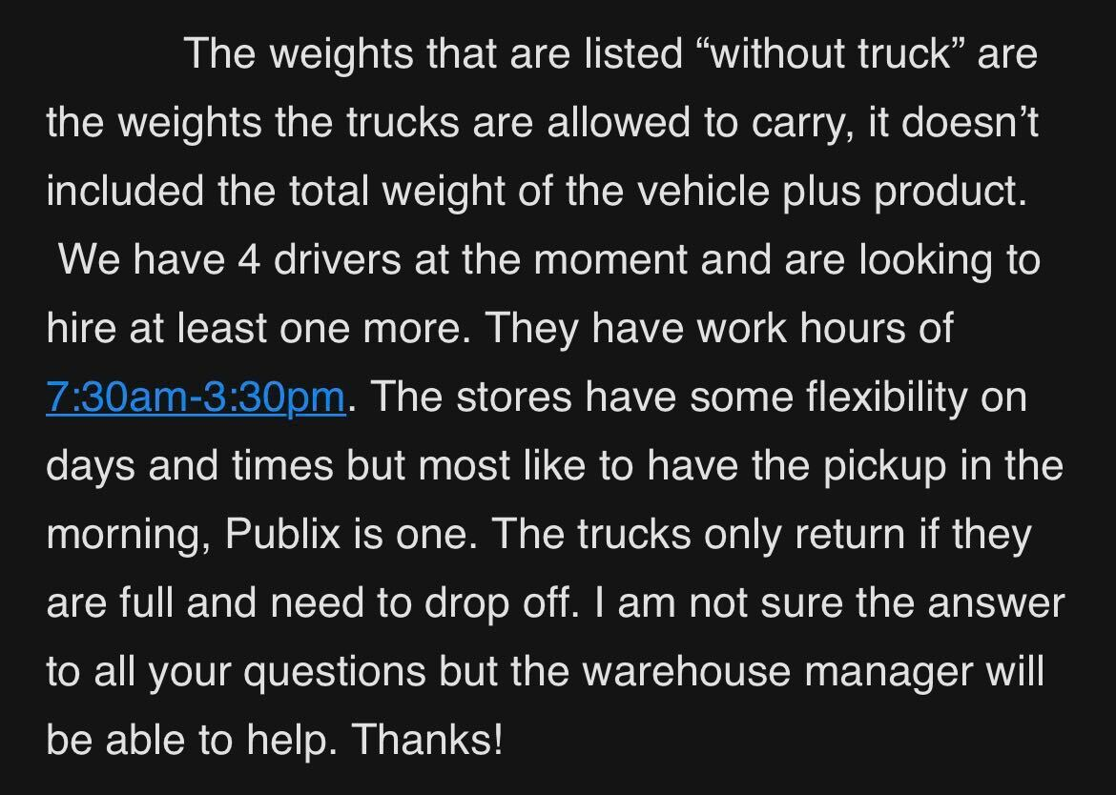
#locs | Later
total amount | "Too many vehicles" error (server)
^^(for each vehicle ond overall) | https://nominatim.openstreetmap.org/ui/search.html
(5 maps on figure or dropdown) | https://openrouteservice.org/disaster-optimization/

Plot current routes | Whole Foods Butler, 3490, Gainesville, FL 32608

UI design
Come up with a Website architecture

